Demystifying Datascience -Day 1
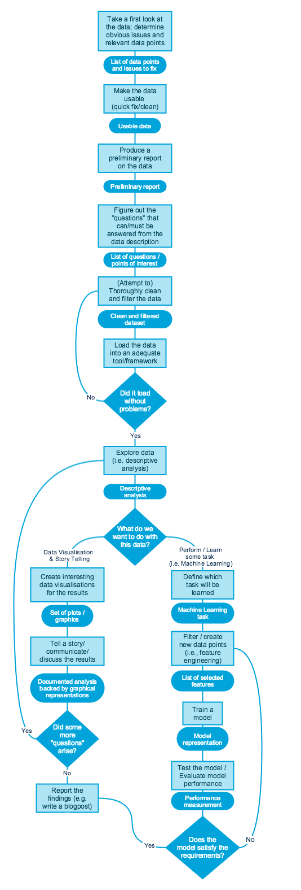
Sections | Category | Description | Demonstration | Duration | Comments
Course Overview | Demo | Will start with building footprints detection and explains about how the model identifies the buildings using the features | Building footprint model | 30
 | Motivation behind this campaign | Will discuss about what could the audience receive at the end of the session , Groups discussion, overall structure of every day session , question based learning , assignment & Lab work Team - Bayes, SVM, CNN, RandomForest, PCA GitHub repository - PPIDS - Groups (will load our curriculum over there as well) - A private Github repository Road Map Prerequisites | Github walkthrough
Data Science Introduction | Different Variants of Data science | explain through venn diagram through a practial example a)Arificial Intelligence b)Deep Learning - NLP , Image Vision c)NLP d)Machine learning e)Statistics f)Data Science g) Predictive analytics h) Prescriptive analytics i) Descriptive analytics Software development vs Data Science |  | 30
 | Excellent testimonials of Data Science | Netflix , Lung Cancer detection , Image detection , Language Transaltion Use cases by function | OCR recognition
 | Journey towards statistical Learning | An intuitive explanation of statistical learning - a student trying to learn What is statistical Learning Inputs , Outputs, Functional Approximation - f(x) Supervised vs unsupervised vs semisupervised vs Reinforcement learning Supervised learning would be of primary interest Statistical learning in day-2-day life | Normal Distribution - Appraisal rating Defect prediction Forecasting
 | Questions before we move into DS Workflow | a) what problem does it solve and for whom? B) How is being solved today? C) How can it beneficially affect business? D) what are the data inputs and where do they come from e) what are the outputs and how they are consumed
Day in a life of Data scientist | Supervised Learning Worfklow | Look into the flowchart on right This is what we are going to adapt to the entire cycle Data science is not the model development alone, Visualization plays a major role |  | 40
Assignment | Work assignment | Create the Kaggle id Data assigned to every team for the first assignment , inference required during the next one |  | 10
 | Brief introduction to PPSDS package in R | a) R - Brief history , Why R , not Python b) R studio |  | 10

